Sheet1
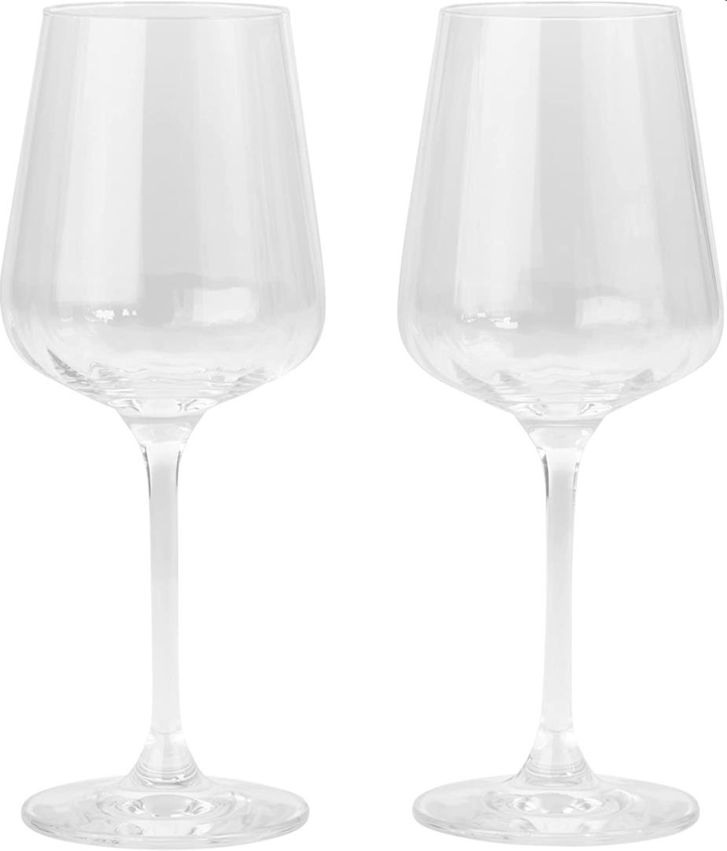
Picture | Item code | Description | Extra information | Restriction | Stock | Sales price EXW | Retail price | Barcode | Quantity PU | Quantity pallet | Pallet | Origin | Customs code | Item weight | Languages on package | Group
 | 21161 | Livellara Milano, Set of 2 Wine Glasses 310ml | 3210006 |  | 6010 | 1.69 | 17.64 | 8028716170284 | 6 | 270 | Europallet 120x80 | SK | 7013289000 | 300 | uk ru | Livellara Milano

